Simple Safety Risk Register
Risk Tracking Spreadsheet 1.2
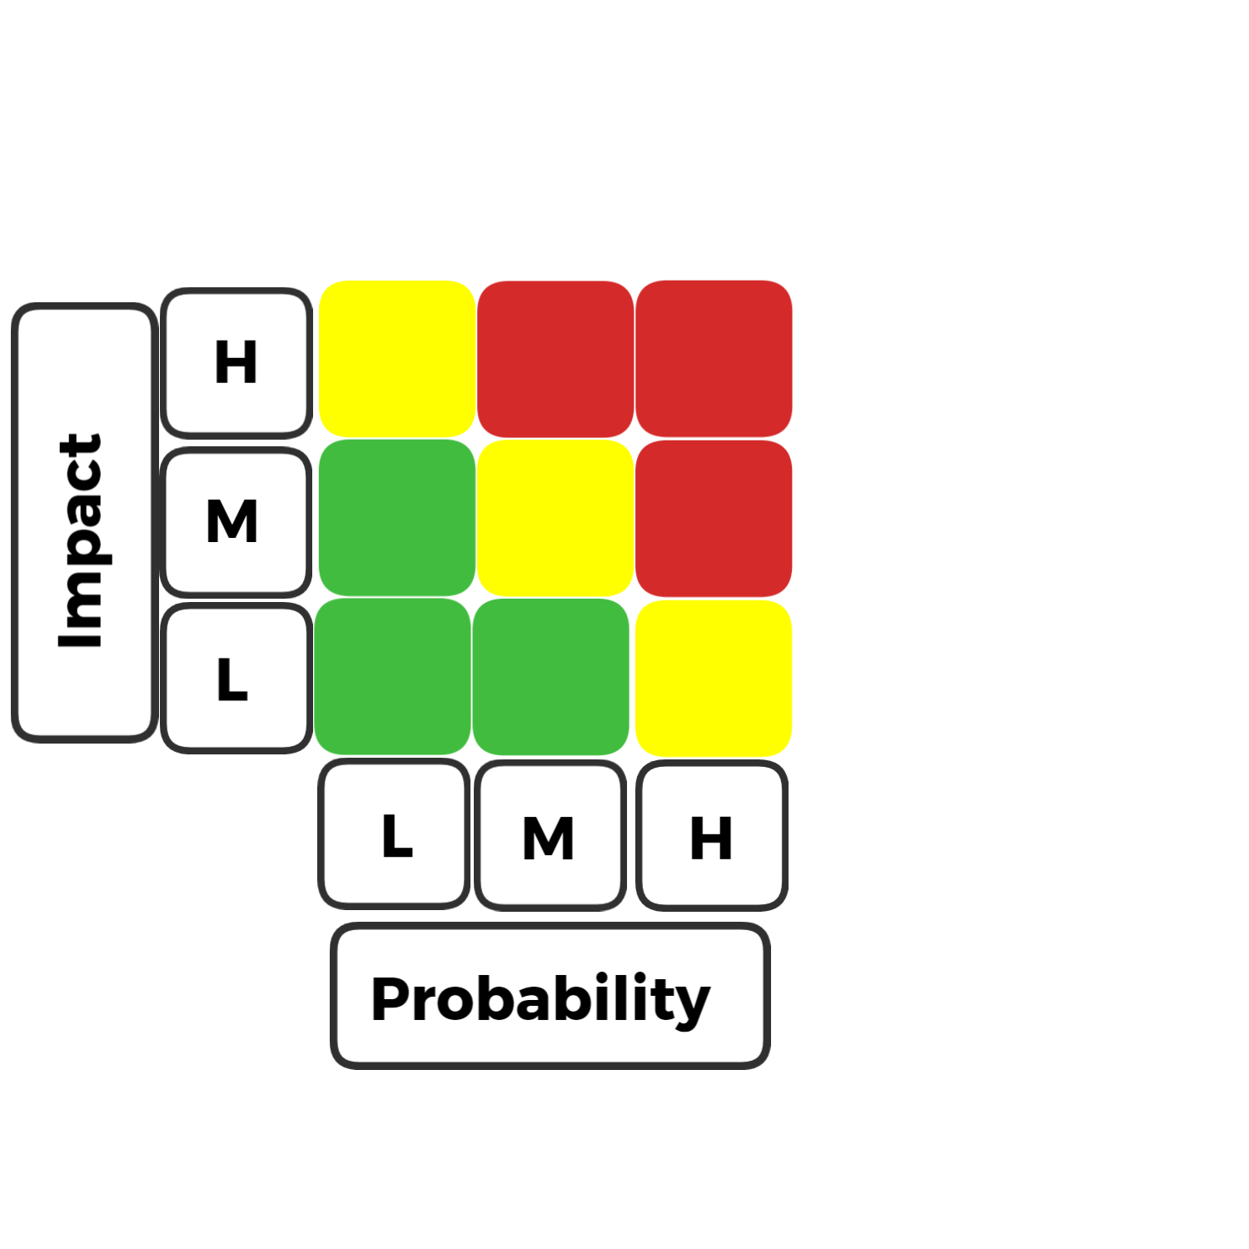
RISK DESCRIPTION | IMPACT DESCRIPTION | IMPACT LEVEL | PROBABILITY LEVEL | PRIORITY LEVEL | MITIGATION NOTES | OWNER | KEY
Brief Summary of the Risk. | Brief Description on Impact if Risk is Left Unmitigated or Unresolved | Rate 1 (LOW) 2(MEDIUM) 3 (HIGH) | Rate 1 (LOW) 2(MEDIUM) 3 (HIGH) | (IMPACT X PROBABILITY) Address the highest first. | Mitigation Actions to be Taken | Who is Responsible for this Risk | LEVEL
Might accidentally run out of machines when deleting them | There is nothing in place preventing a user from deleting all machines at a given location, or all machines at all locations. New machines would need to be added. | 2 | 1 | 2 | Create "Are you sure?" box | Derek Ruiz-Cigana | 1
Token expires prematurely. | The user could be kicked out of the website at any time without a valid or pre-planned reason. | 1 | 1 | 1 | Token features should be regularly tested and verified to be functioning as intended. | Sacha Elkaim | 2
Token expires without logging out the user. | The user would not be logged out potentially lagging the site and impacting performance. It can also lead to a security issue where potentially important information can be displayed on the screen. | 3 | 2 | 6 | Token features should be regularly tested and verified to be functioning as intended. | Sacha Elkaim | 3
User enters invalid data that is accepted. | User enters invalid data that is accepted into certain inputs potentially corrupting the data base and also of displaying false information. | 2 | 2 | 4 | Make sure that all inputs have validation tests to insure only valid information is snet tot he back-end. | Shashank Patel
Abort machine fabrication | Stops whatever the machine is doing and jetisons everything, potentially causing scheduling issues in production. | 3 | 2 | 6 | Include checks to see what machines are functioning and with what items | Michael Takenaka
PO order properly display in the AP tab as well | All POs should also be displayed in the accounts payable tab as they need to be payed by that department. | 3 | 2 | 6 | Rigorous testing, to make sure data is being displayed correctly | Ashraf Khalil
Sales properly display in the AR tab as well | All Sales should also be displayed in the accounts receivable tab as they need to validate payements are received in that department. | 3 | 2 | 6 | Rigorous testing, to make sure data is being displayed correctly | Ashraf Khalil

